13G network
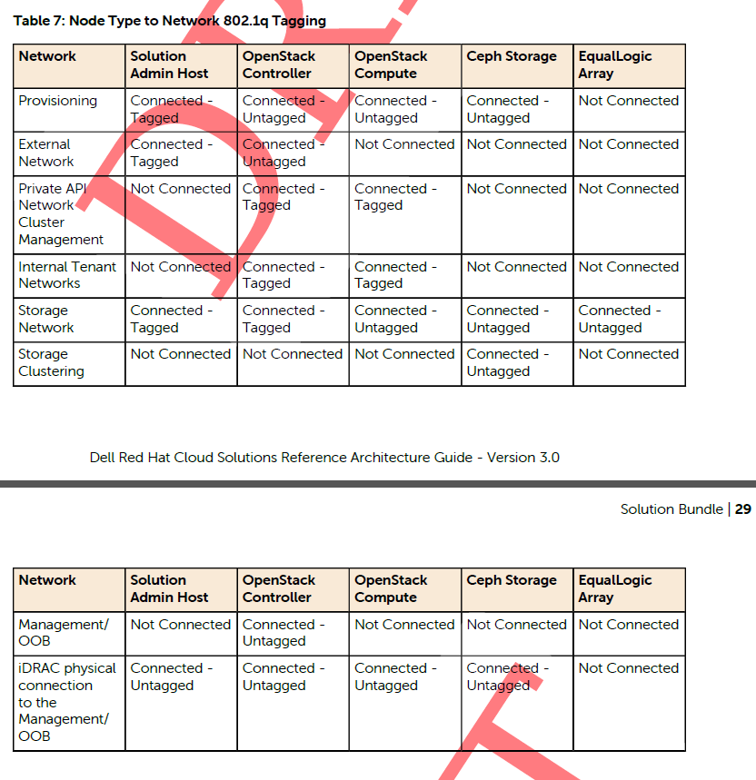
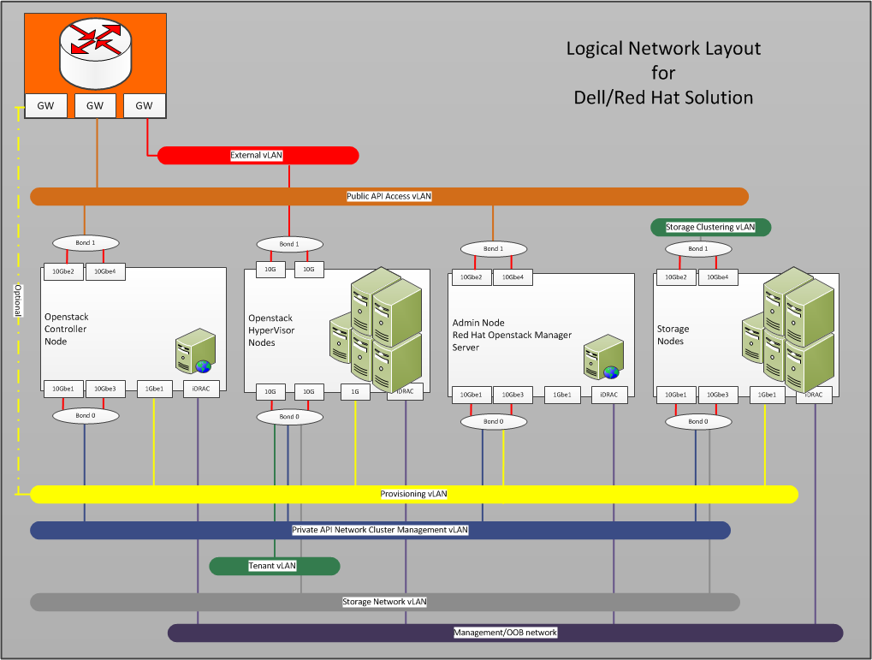

VLANs
ID | Description | Column1 | Column2
110 | OOB | 192.168.110.0/24
120 | Provisioner | 192.168.120.0/24 | gateway 192.168.120.1
140 | Private API Network | 192.168.140.0/24 | gateway 192.168.140.1
2251 | Corp | 10.152.251.0/24 | 10.148.44.40-57 Reserved 11/2014
170 | Storage Network | 192.168.170.0/24 | gateway 192.168.170.1
180 | Ceph Cluster Network | 192.168.180.0/24 | gateway 192.168.180.1
190 | External Network | 192.168.190.0/24 | untagged bond1 gw: 192.168.190.254
201-220 | Internal Networks | 192.168.201-220.0/24 | tagged bond0 VLANs 201-220

